Sheet1
direct investment |  |  | Indirect |  |  |  |  |  |  | cij =
i – j | pij |  | i – q1 – j | piq * pqj |  | i – q2 – j | piq * pqj |  | i – qn – j
Foss – Wiliam Demant | 1/7 = | 0.1429 |  |  |  |  |  |  | … | 0.0204
Foss – Kunde & co | 1/7 = | 0.1429 |  |  |  |  |  |  | … | 0.0204
Foss – Radiometer | 1/7 = | 0.1429 | Foss –(Bavarian)– Radiometer | 1/7 * 1/8 = | 0.0179 |  |  |  | … | 0.0258
Foss – Bavarian | 1/7 = | 0.1429 | Foss –(Radiometer)– Bavarian | 1/7 * 1/2 = | 0.0714 |  |  |  | … | 0.0459 | ←most constraing neighbour
Foss – Royal | 1/7 = | 0.1429 | Foss –(Tulip)– Royal | 1/7 * 1/9 = | 0.0159 | Foss –(Danish Crown)– Royal | 1/7 * 1/11 = | 0.0130 | … | 0.0295
Foss – Tulip | 1/7 = | 0.1429 | Foss –(Danish Crown)– Tulip | 1/7 * 1/11 = | 0.0130 | Foss –(Royal Unibrew)– Tulip | 1/7 * 1/13 = | 0.0110 | … | 0.0278
Foss – Danish Crown | 1/7 = | 0.1429 | Foss –(Tulip)– Danish Crown | 1/7 * 1/9 = | 0.0159 | Foss –(Royal Unibrew)– Danish Crown | 1/7 * 1/13 = | 0.0110 | … | 0.0288
 |  |  |  |  |  |  |  | ci = |  | 0.1987

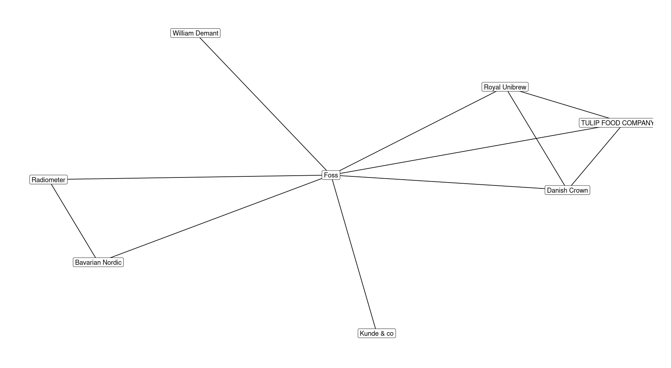
Overall constraint:
Degree 8

dyadic constraint:
Degree 13

Degree 9

Degree 7
Degree 2

Degree 11

Degree 8

Degree 1

